Sheet1
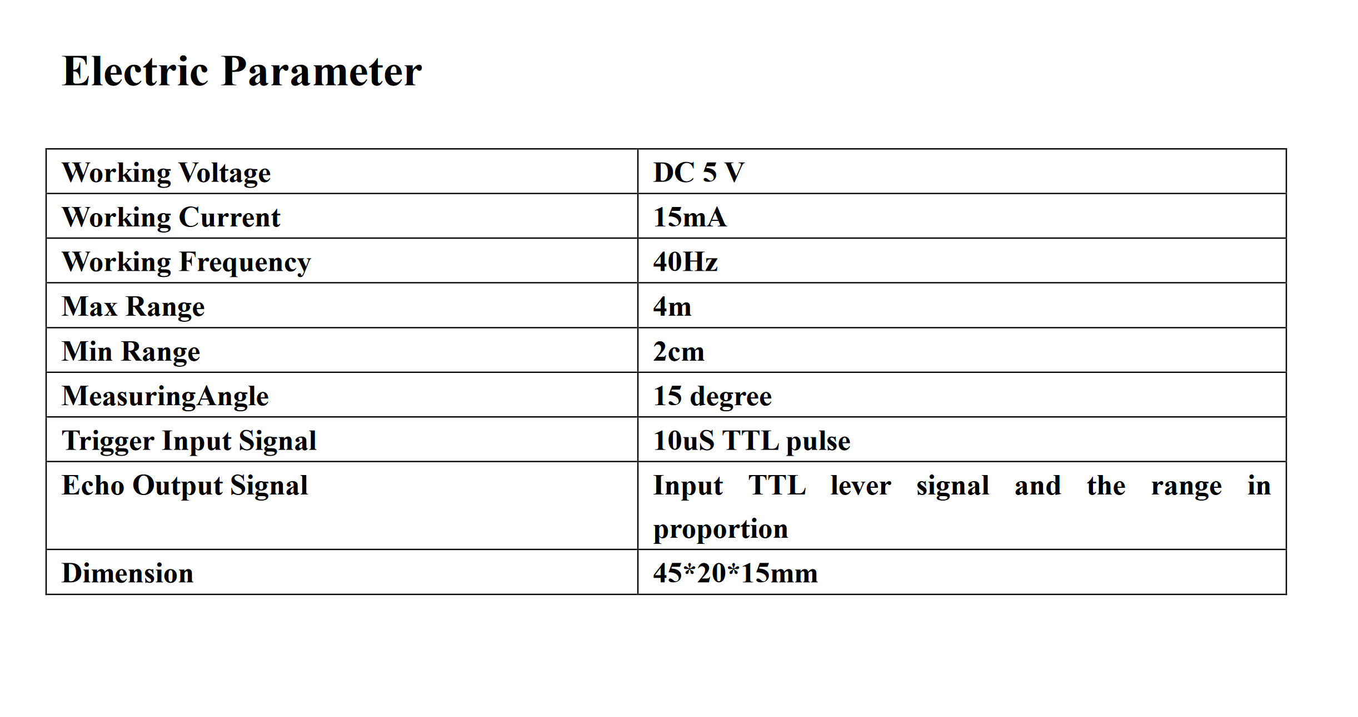
at approx 3.25' |  | 2nd attmpt at 3'
4.62 cm |  | 6.59 cm
4.74 cm |  | 6.69 cm
4.74 cm |  | 6.59 cm
4.41 cm |  | 9.36 cm
4.74 cm |  | 6.60 cm
4.97 cm |  | 8.02 cm
5.40 cm |  | 5.05 cm

 |  | 2

initial reading | Reading {60in=152cm Book} | Reading {30in=76.2cm Book} | Reading {15in=38.1cm Book} | Reading {5in=12.7cm Book} | Reading {1in=2.54cm Book}
TEST 1
1203.71cm | 154.88cm | 78.12cm | 38.86cm | 12.48cm | 2.67cm
1203.88cm | 154.84cm | 77.78cm | 39.09cm | 12.02cm | 2.76cm
1203.84cm | 155.33cm | 77.66cm | 38.98cm | 12.38cm | 2.76cm
1203.83cm | 156.59cm | 77.86cm | 38.62cm | 12.38cm | 2.78cm
1203.55cm | 156.34cm | 77.95cm | 39.78cm | 12.38cm | 2.76cm
1203.74cm | 156.76cm | 78.29cm | 37.93cm | 12.84cm | 2.66cm
1203.64cm | 156.12cm | 78.31cm | 38.62cm | 12.67cm | 2.78cm
TEST 2
initial reading | Reading {60in=152cm Small Box} | Reading {30in=76.2cm Small Box} | Reading {15in=38.1cm Small Box} | Reading {5in=12.7cm Small Box} | Reading {1in=2.54cm Small Box}
1204.34cm | 149.64cm | 78.22cm | 39.55cm | 16.55cm | 2.12cm
1204.09cm | 149.62cm | 78.12cm | 40.16cm | 17.83cm | 4.62cm
1204.00cm | 149.59cm | 78.14cm | 39.55cm | 17.83cm | 4.40cm
1204.21cm | 149.52cm | 78.16cm | 39.57cm | 20.40cm | 2.43cm
1204.41cm | 152.24cm | 77.95cm | 40.26cm | 16.53cm | 2.78cm
1204.40cm | 151.42cm | 787.14cm | 40.14cm | 17.83cm | 2.76cm
1204.59cm | 153.50cm | 77.95cm | 39.33cm | 18.78cm | 2.76cm
TEST 3
initial reading | Reading {60in=152cm Large Box} | Reading {30in=76.2cm Large Box} | Reading {15in=38.1cm Large Box} | Reading {5in=12.7cm Large Box} | Reading {1in=2.54cm Large Box}
1204.21cm | 151.78cm | 72.55cm | 42.09cm | 11.67cm | 3.00cm
1204.31cm | 153.10cm | 71.83cm | 43.53cm | 13.43cm | 3.09cm
1204.40cm | 116.79cm | 72.98cm | 43.62cm | 12.03cm | 3.09cm
1204.43cm | 153.33cm | 70.84cm | 43.52cm | 11.43cm | 3.76cm
1204.28cm | 151.93cm | 70.01cm | 43.22cm | 12.48cm | 2.78cm
1204.22cm | 152.03cm | 72.66cm | 43.22cm | 12.03cm | 2.78cm
1204.40cm | 151.95cm | 73.90cm | 43.24cm | 11.67cm | 2.76cm
TEST 4
READING < 2cm:
5.38cm | 3.74cm
5.38cm | 3.76cm
1204.88cm | 3.74cm
5.28cm | 5.05cm
5.05cm | 9.33cm
FINDINGS:
1) Repeatability: Easy
2) Utilizing a box did not help readings at least at close ranges. In fact, due to the fact of the surface having side flaps, I believe the readings are WORSE at close ranges.
3) Something that was quite intersting is the larger the box, the more accurate and precise the readings at LONGER RANGES.
4) Is a very precise sensor
5) Sensor min. range = same as tested range. 1in=>2.54cm was accurate and precise. When object is located closer than 2.0cm, accuracy and precision drops drastically. Values become unpredictable.

